Costs & Expenses Build
x | Costs & Expenses Build
 | in $millions, unless otherwise specified

 | Case Selector | 2

 | Fiscal year ending December 31, | 2022A | 2023A | 2024A | 2025E | 2026E | 2027E | 2028E | 2029E

 | Cost of Goods Sold
 | Product COGS, $mm | $1,345.6 | $1,814.6 | $2,355.9 | $2,604.96 | $3,120.43 | $3,702.08 | $4,436.96 | $5,379.22
 | % Revenue | 60% | 61% | 60% | 57.0% | 58.0% | 59.0% | 60.0% | 61.0%
 | Bear |  |  |  | 58.0% | 59.0% | 60.0% | 61.0% | 62.0%
 | Base |  |  |  | 57.0% | 58.0% | 59.0% | 60.0% | 61.0%
 | Bull |  |  |  | 56.0% | 57.0% | 58.0% | 59.0% | 60.0%

 | (OpEx, D&A, CapEx as % of Revenue)
 | Operating Expenses
 | R&D Expenses | $76.1 | $95.8 | $111.3 | $144.1 | $165.0 | $189.8 | $227.9 | $269.6
 | % Revenue | 3% | 3% | 3% | 3.2% | 3.1% | 3.0% | 3.1% | 3.1%
 | Bear |  |  |  | 3.6% | 3.5% | 3.4% | 3.5% | 3.5%
 | Base |  |  |  | 3.2% | 3.1% | 3.0% | 3.1% | 3.1%
 | Bull |  |  |  | 2.8% | 2.7% | 2.6% | 2.7% | 2.7%

 | Stock-based Compensation | $12.6 | $15.5 | $18.8 | $23.8 | $60.4 | $108.0 | $171.7 | $257.7
 | % Revenue | 1% | 1% | 0% | 0.5% | 1.1% | 1.7% | 2.3% | 2.9%
 | Bear |  |  |  | 0.7% | 1.3% | 1.9% | 2.5% | 3.1%
 | Base |  |  |  | 0.5% | 1.1% | 1.7% | 2.3% | 2.9%
 | Bull |  |  |  | 0.3% | 0.9% | 1.5% | 2.1% | 2.7%

 | SG&A Expenses | $365.9 | $528.1 | $677.3 | $783.2 | $934.7 | $1,084.8 | $1,276.8 | $1,526.4
 | % Expenses | 16% | 18% | 17% | 17.1% | 17.4% | 17.3% | 17.3% | 17.3%
 | Bear |  |  |  | 18.1% | 18.4% | 18.3% | 18.3% | 18.3%
 | Base |  |  |  | 17.1% | 17.4% | 17.3% | 17.3% | 17.3%
 | Bull |  |  |  | 16.1% | 16.4% | 16.3% | 16.3% | 16.3%

 | Total Operating Expenses | $454.6 | $639.4 | $807.3 | $951.2 | $1,160.1 | $1,382.5 | $1,676.4 | $2,053.7
 | % Growth |  | 40.64% | 26.26% | 17.82% | 21.97% | 19.17% | 21.26% | 22.51%

x | Working Capital Schedule

 | Fiscal Year Ending December 31, | 2022A | 2023A | 2024A | 2025E | 2026E | 2027E | 2028E | 2029E

 | NWC | $815.0 | $1,319.4 | $1,469.2 | $1,573.2 | $1,651.9 | $1,710.3 | $1,759.7 | $1,786.0
 | % Revenue | 37% | 44% | 38% | 34% | 31% | 27% | 24% | 20%
 | Bear |  |  |  | 33.6% | 29.9% | 26.5% | 23.0% | 19.5%
 | Base |  |  |  | 34.4% | 30.7% | 27.3% | 23.8% | 20.3%
 | Bull |  |  |  | 35.2% | 31.5% | 28.1% | 24.6% | 21.1%

 | CapEx Schedule

 | Fiscal Year Ending December 31,
 | CapEx | $- | $49.4 | $58.3 | $71.8 | $79.2 | $82.3 | $85.2 | $89.2
 | % Revenue | 0.00% | 1.65% | 1.49% | 1.57% | 1.47% | 1.31% | 1.15% | 1.01%
 | Bear |  |  |  | 1.4% | 1.3% | 1.1% | 1.0% | 0.8%
 | Base |  |  |  | 1.6% | 1.5% | 1.3% | 1.2% | 1.0%
 | Bull |  |  |  | 1.8% | 1.7% | 1.5% | 1.4% | 1.2%

 | D&A
 | Total D&A | 130.043 | 175.331 | 182.3355 | $216.1 | $159.7 | $129.0 | $112.3 | $102.9
 | % PP&E | 41% | 40% | 39% | 40% | 39% | 39% | 40% | 39%
 | Bear |  |  |  | 39.8% | 39.4% | 39.3% | 39.5% | 39.4%
 | Base |  |  |  | 39.8% | 39.4% | 39.3% | 39.5% | 39.4%
 | Bull |  |  |  | 39.8% | 39.4% | 39.3% | 39.5% | 39.4%

 | PP&E | 315.63 | 443.22 | 470.87 | $542.7 | $405.7 | $328.3 | $284.4 | $261.3
 | LEss: Depreciation | 315.63 |  |  | $216.1 | $159.7 | $129.0 | $112.3 | $102.9
 | EB: PP&E |  |  |  | $326.5 | $246.0 | $199.3 | $172.1 | $158.4

 | SaaS and license COGS, $mm
2022A | 1
2023A
2024A
2025A
2026A
2027A
2028A
2029A
Sales and Marketing Expense
SaaS Margin (%)
 | % Revenue
2022A | 1
2023A
2024A
2025A
2026A
2027A
2028A
2029A

WACC Build
Cost of debt computation

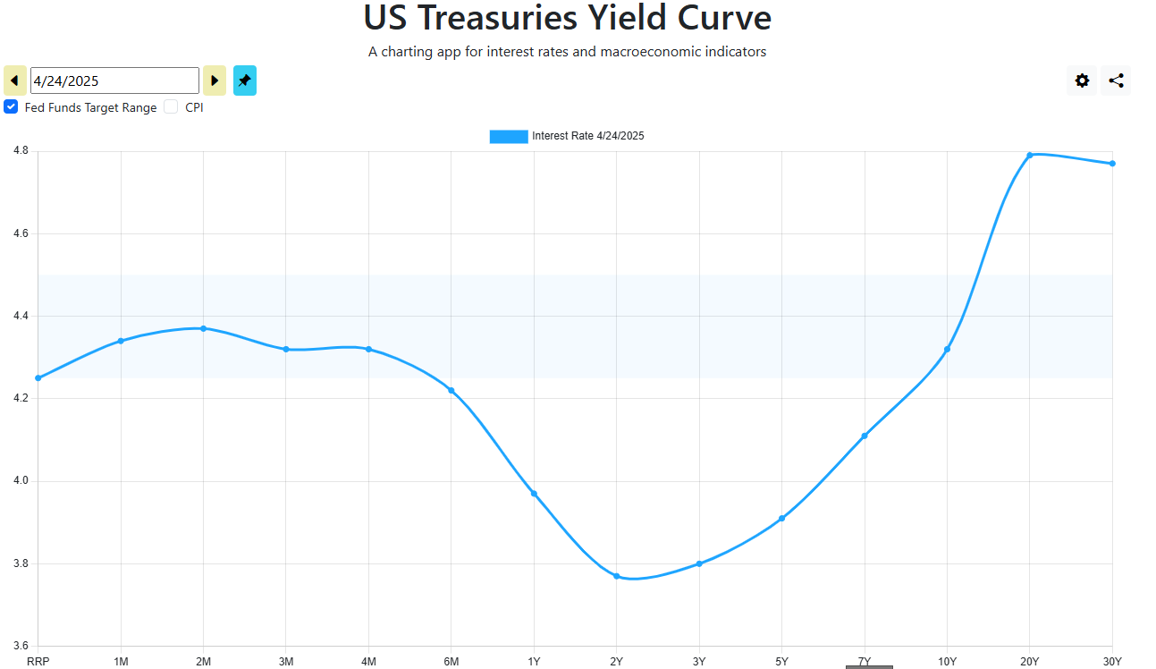
Latest risk-free rate
US 10Y Treasury Yield | 4.26%
Spread | 0.92%
Cost of debt | 5.17%

HEI Credit Rating
Moody's | Baa2
Fitch | BBB

Comps Credit Spreads

 | Credit Rating | Agency
TransDigm Group | B | Moody's
AAR Corp | Ba2 | Moody's
FTAI Aviation Ltd. | Ba2 | Moody's
RBC Bearings | BB | S&P
Howmet Aerospace | BBB | S&P
RTX Corporation | Baa1 | Moody's
Moog Inc | BB+ | S&P
Honeywell International | A2 | Moody's

Howmet Bonds | Yield | Maturity | Years | Risk-Free | Spread
5.900% 2/1/2027 | 4.50% | 2027 | 2 | 3.74% | 0.76%
6.750% 1/15/2028 | 4.79% | 2028 | 3 | 3.76% | 1.03%
3.000% 1/15/2029 | 4.62% | 2029 | 4 | 3.82% | 0.80%
4.850% 10/15/2031 | 4.85% | 2031 | 6 | 3.95% | 0.90%
5.950% 2/1/2037 | 5.50% | 2037 | 12 | 4.40% | 1.10%

 |  |  |  | AVG | 0.92%

